Details
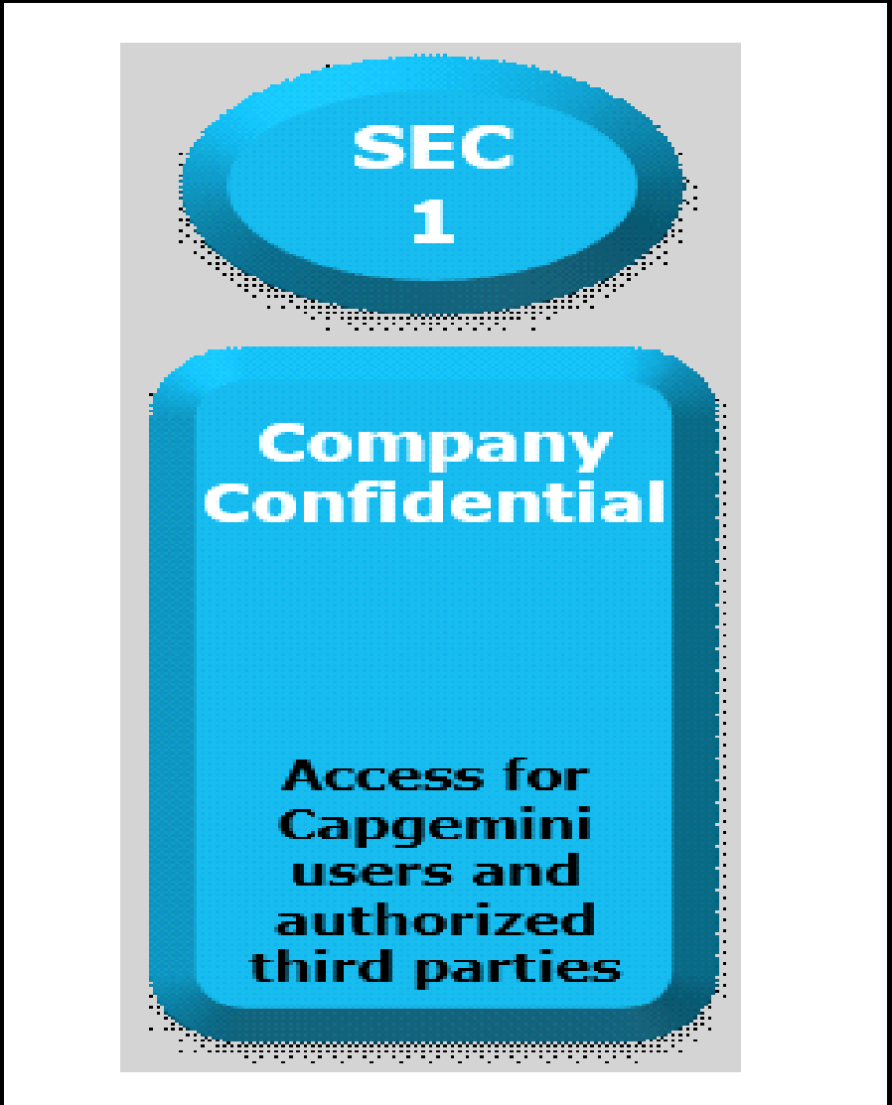

Documents Control Section

Project Details
Project Name | Population Census Application |  | Project Id | Group 03
Project Revision History

Date | Version | Author | Brief Description of Changes |  | Approver Signature
2022-11-21 | Version 0.0 | Group 03 | Initial draft
2022-11-22 | Version 0.1 | Group 03 | Updated Version, Reworked on the whole document and added design overview.
2022-11-23 | Version 0.2 | Group 03 | Final Version, Document revisions.

 |  |  |  |  |  | Using eSkills Matrix Tool for Skill Tracking
 |  |  |  |  |  | Not using eSkills Matrix Tool for Skill Tracking

